Create Client
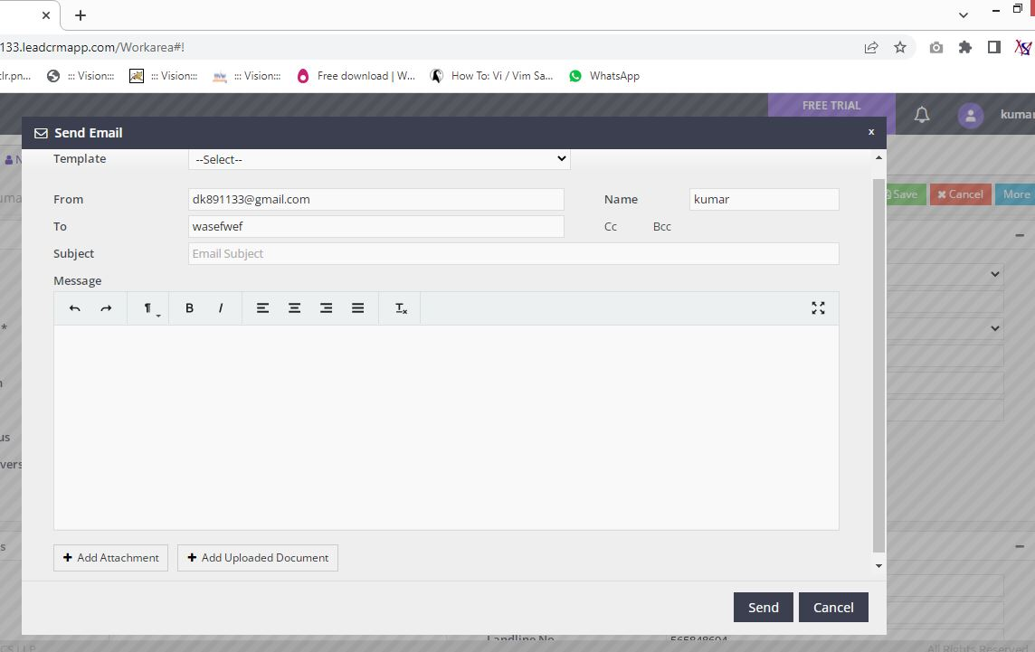
Client

Collapse | Create Client
 | Search Client
 | Bulk Edit
 | Client Portfolio
 | Merge Client
 | Manage Client User

Create New lead | Grid | Functionality | Heading
 | Client Details | Save | Create New Client
 | Contact Details | Cancel
 | Other Details
 | Upload Documents

 |  | Create Client -- Creating New Client |  |  |  | Image

1. Client Details Grid | Field name | Field Type | Mandatory | Validation
Client Details | Client Type | DropDown | Y | Select Option
Client Details | Title | DropDown | N | Select Option
Client Details | Client Name | Text | Y | Alphabets, Length
Client Details | Gender | DropDown | N | Select Option
Client Details | Date of Birth | Date | N | Not Future Date
Client Details | Age | Text | N | Numeric
Client Details | Marital Status | DropDown | N | Select Option
Client Details | Date of Anniversary | Date | N | Date Format, not before today
Client Details | PAN | Text | N | Length
Client Details | Occupation | DropDown | N | Select Option
Client Details | Designation | Text | N | Length
Client Details | Annual Income | DropDown | N | Select Option
Client Details | Passport No | Text | N | Length
Client Details | GSTIN | Text | N | Length
Client Details | DMATID | Text | N | Length

2. Contact Details Grid | Field name | Field Type | Mandatory | Validation

Contact Details | Location | Text | N | Length
Contact Details | Address | Text | N | Length
Contact Details | City | Text | N | Length
Contact Details | State | DropDown | N | Select Option
Contact Details | PIN | Text | N | Numeric
Contact Details | Alternate Address | Text | N | Length
Contact Details | Mobile No | Text | N | Numeric, Length
Contact Details | Other Contact Details | Text | N | Numeric, Length
Contact Details | Landline No | Text | N | Numeric, Length
Contact Details | Email id | Text | N | MailFormat, Length

3. Other Details Grid | Field name | Field Type | Mandatory | Validation

Other Details | Default User | DropDown | N | Select Option
Other Details | Is Group Client | DropDown | N | Select Option
Other Details | Group Client | DropDown | N | Select Option
Other Details | POS | DropDown | N | Select Option
Other Details | Source | DropDown | N | Select Option
Other Details | Will Provide Reference? | DropDown | N | Select Option

If Group Client is Y in Drop Down add Members
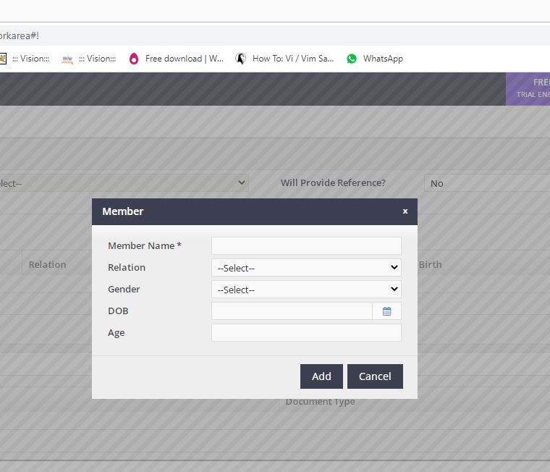

3.1 Add Group Members | Field name | Field Type | Mandatory
Member | Member Name | Text | Y
 | Relation | DropDown
 | Gender | DropDown
 | DOB | Date
 | Age

4 Upload Documents | Field name | Field Type | Mandatory | Validation
Upload Documents | Files to Upload

 | After File Upload options for view that file

 | File Type
 | File Name
 | Document Type | DropDown | Y
 | View
 | Delete

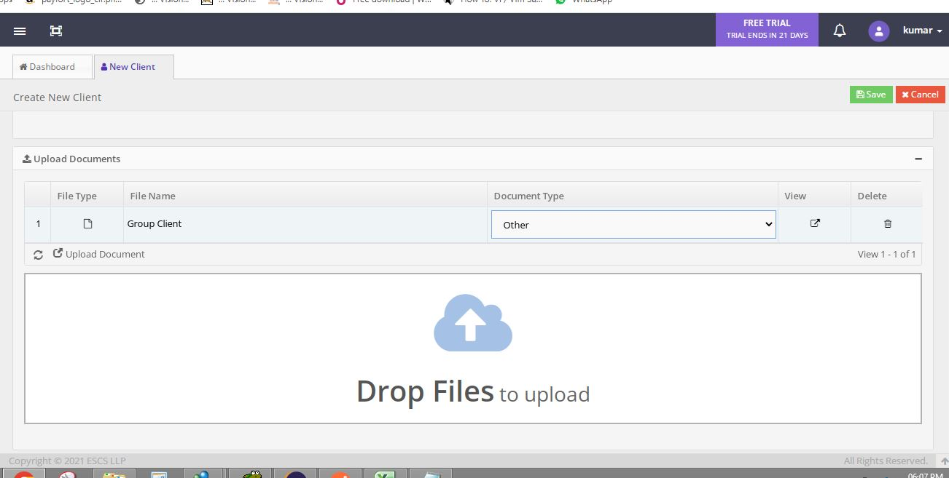

4.1 Document Upload Option

After Upload

After Client Creation
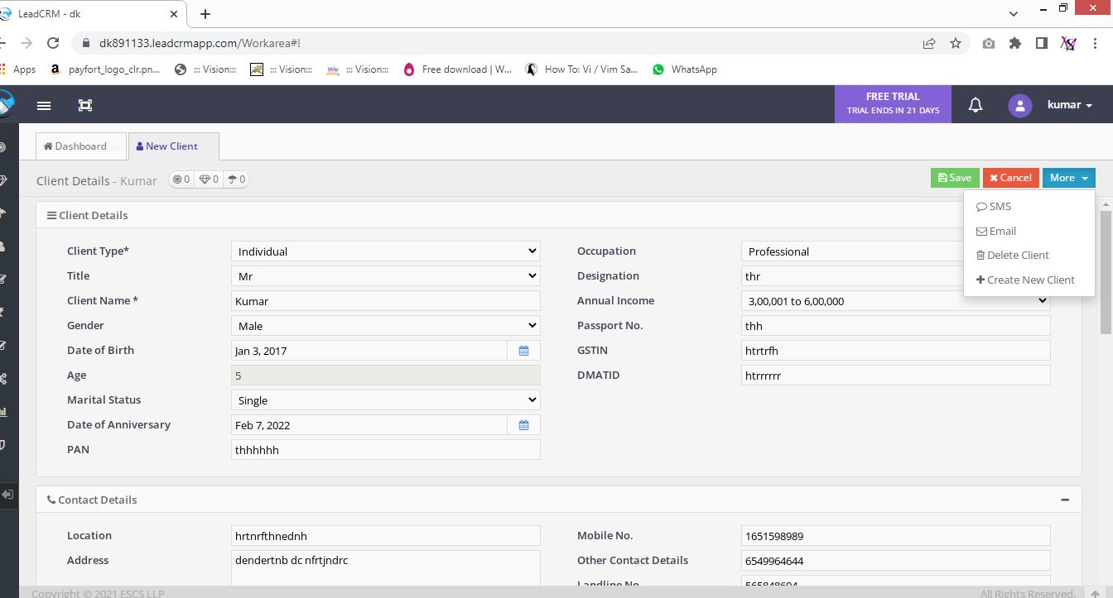

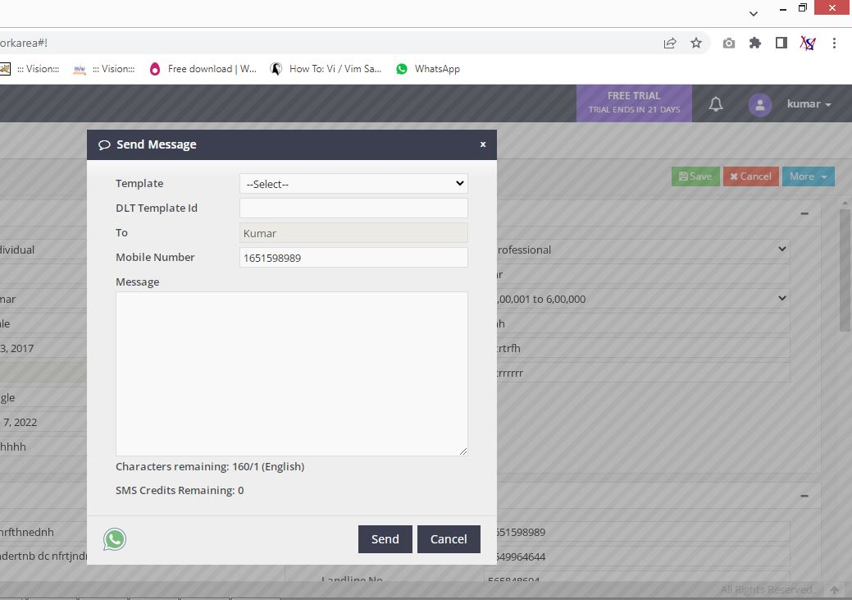
Send Sms Option
 |  |  |  |  | Send Email Option

Search Client
 |  | Search Client -- Search client and edit details of that client

 | Search client by Name, Mobile No, Email Id
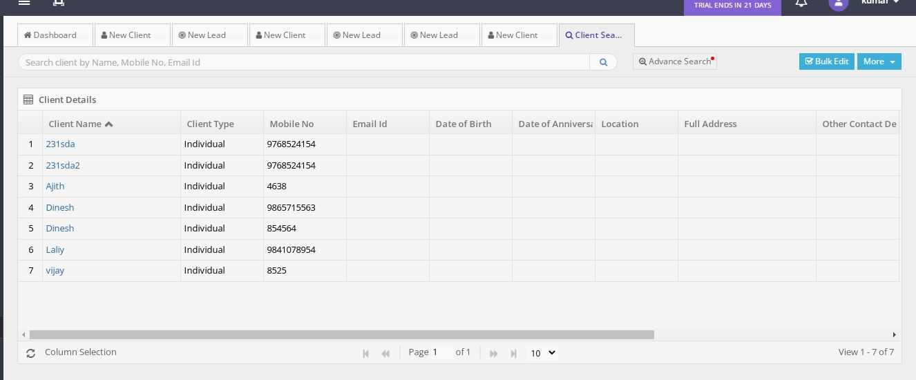
Client Details Grid | Field name | Field Type | Mandatory | Validation

Client Details | Client Name
Client Details | Client Type
Client Details | Mobile No
Client Details | Email Id
Client Details | Date Of Birth
Client Details | Date Of Anniversary
Client Details | Location
Client Details | Full Address
Client Details | Other Contact Details
Client Details | Group Client
Client Details | Is Group Client
Client Details | Will Provide Reference
Client Details | POS

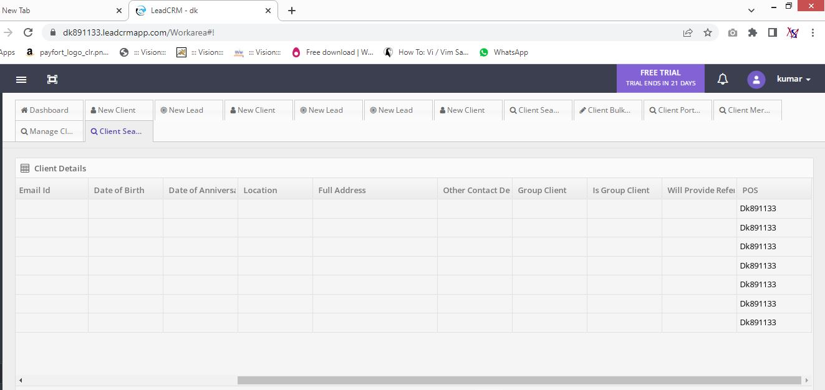
 |  |  | More
 |  |  | view Lead
 |  |  | View prospect
 |  |  | view policy

 |  |  | Pagination Required

Create New Policy
 | Policy

Collapse | Create Policy
 | 1. General Insurance
 | 2. Life Insurance
 | Search Policy
 | Bulk Edit
 | Upload Policy Records
 | Upload Policy Documents

Create New Policy | Grid | Functionality | Heading

 | General Details | Save | Create New Policy
 | Issuer Details | Cancel
 | Client Details
 | Policy Details
 | Members Insured
 | Policy Amounts
 | Nominee Details
 | Policy Additional Details
 | Commission
 | Payment Details
 | Upload Documents

 | Create New Policy - General Insurance

1 General Details | Field name | Field Type | Mandatory | Validation
General Details | Business Type | Drop Down | Y | Select
General Details | Class | Drop Down | Y | Select
General Details | Policy Type | Drop Down | Y | Select

2 Insurer Details | Field name | Field Type | Mandatory | Validation
Insurer Details | Insurer | Drop Down | Y | Select
Insurer Details | Insurer Branch | Drop Down |  | Select
Insurer Details | Insurance Plan | Text
Insurer Details | Co-Insurer Details | Text

3 Client Details | Field name | Field Type | Mandatory | Validation

Client Details | Client Name | Text |  | Alpha, Length
Client Details | Email ID | Text |  | Mail Format
Client Details | Mobile No | Text |  | Numeric
Client Details | Other Contact Details | Text |  | Numeric

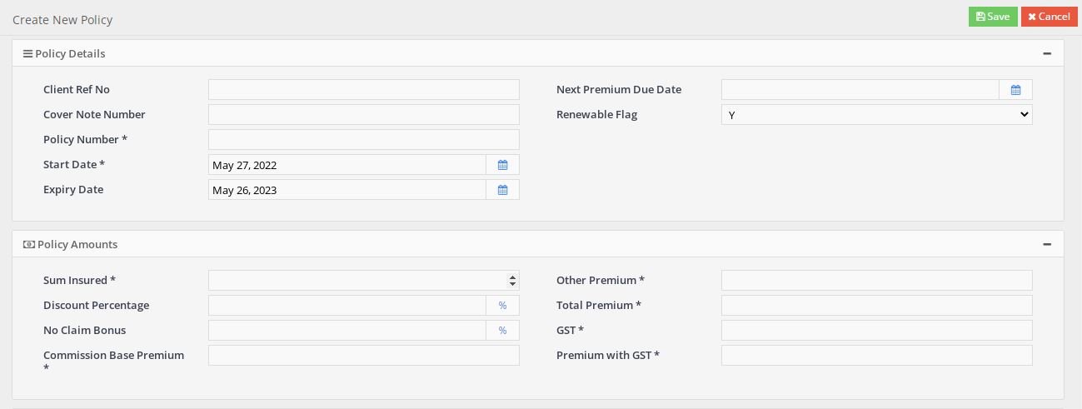
4 Policy Details | Field name | Field Type | Mandatory | Validation
Policy Details | Client Ref No | Text
Policy Details | Cover Note Number | Text
Policy Details | Policy Number | Text | Y
Policy Details | Start Date | Date | Y
Policy Details | Expiry Date | Date
Policy Details | Next Premium Due Date | Date
Policy Details | Renewable Flag | Drop Down

5 Policy Amounts | Field name | Field Type | Mandatory | Validation

Payment Details | Sum Insured | Text | Y
Payment Details | Discount Percentage | Text
Payment Details | No Claim Bonus | Text
Payment Details | Commission Base Premium | Text | Y
Payment Details | Other Premium | Text | Y
Payment Details | Total Premium | Text | Y
Payment Details | GST | Text | Y
Payment Details | Premium with GST | Text | Y

6 Nominee Details | Field name | Field Type | Mandatory | Validation

Nominee Details | Name | Text | Y
Nominee Details | Relation | Drop Down | Y
Nominee Details | Date of Birth | Date | Y
Nominee Details | Gender | Drop Down | Y
Nominee Details | Benefit % | Text | Y

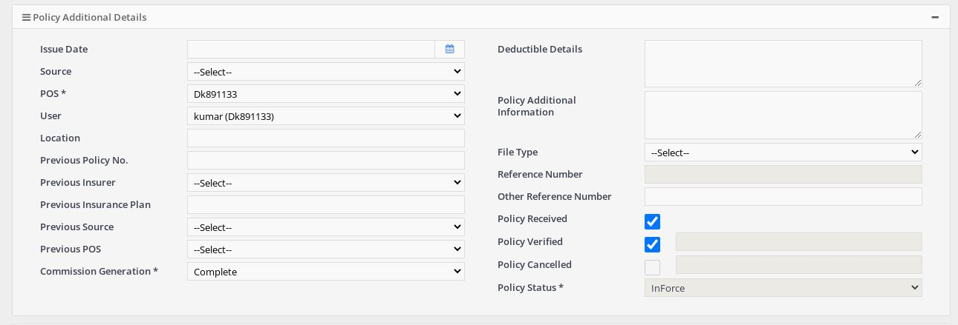
7 Policy Additional Details | Field name | Field Type | Mandatory | Validation

Policy Additional Details | Issue Date | Date
Policy Additional Details | Source | DropDown
Policy Additional Details | POS | DropDown | Y
Policy Additional Details | User | DropDown
Policy Additional Details | Location
Policy Additional Details | Previous Policy No
Policy Additional Details | Previous Insurer | DropDown
Policy Additional Details | Previous Insurance Plan
Policy Additional Details | Previous Source | DropDown
Policy Additional Details | Previous POS | DropDown
Policy Additional Details | Commission Generation | DropDown | Y
Policy Additional Details | Deductible Details
Policy Additional Details | Policy Additional Information
Policy Additional Details | File Type | DropDown
Policy Additional Details | Reference Number
Policy Additional Details | Other Reference Number
Policy Additional Details | Policy Received
Policy Additional Details | Policy Verified
Policy Additional Details | Policy Cancelled
Policy Additional Details | Policy Status | DropDown | Y

8 Payment Details | Field name | Field Type | Mandatory | Validation
Payment Details | Payment Type | DropDown
Payment Details | Payment Ref No/ Cheque No | Text
Payment Details | Bank Name | Text
Payment Details | Payment / Cheque Date | Date
Payment Details | Payment / Cheque Amount | Text
Payment Details | Remarks | Text
Payment Details | Payment Collected Date | Date

9 Upload Documents | Field name | Field Type | Mandatory | Validation

 | After File Upload

 | File Type
 | File Name
 | Document Type
 | View
 | Delete

Search Policy
 |  | Search Policy

 |  | Search Policy View Mode

 | Search Policy View Mode-> See the Details of Policy

 |  | In View Mode Not edit details
 |  | But in edit mode change the details of policy

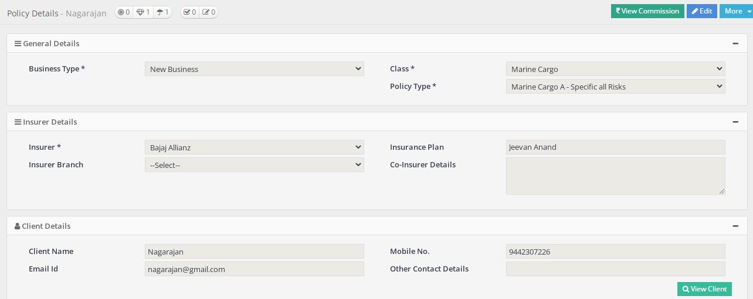

 | Create Policy Options

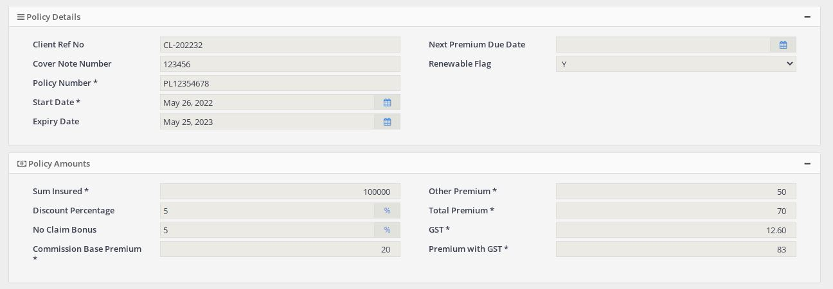

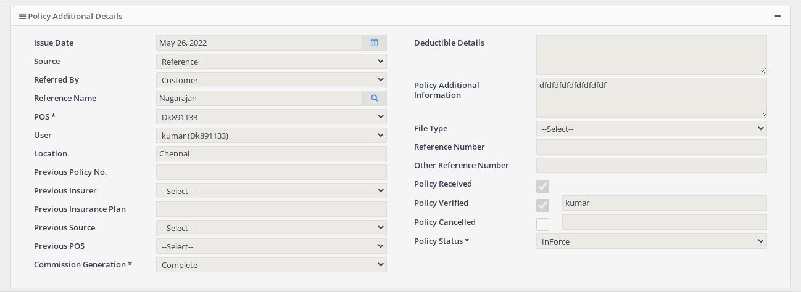

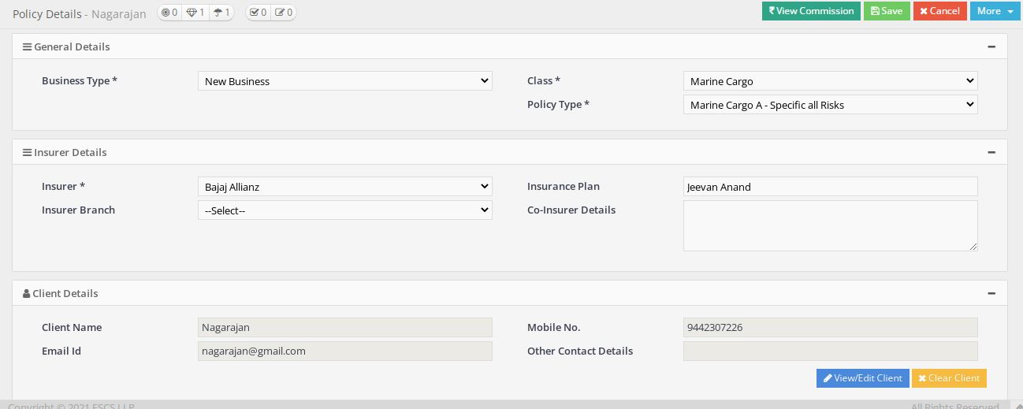
 | Search Policy Edit Mode

1 General Details | Field name | Field Type | Mandatory | Validation
General Details | Business Type | Drop Down | Y | Select
General Details | Class | Drop Down | Y | Select
General Details | Policy Type | Drop Down | Y | Select

2 Insurer Details | Field name | Field Type | Mandatory | Validation
Insurer Details | Insurer | Drop Down | Y | Select
Insurer Details | Insurer Branch | Drop Down |  | Select
Insurer Details | Insurance Plan | Text
Insurer Details | Co-Insurer Details | Text

3 Client Details | Field name | Field Type | Mandatory | Validation

Client Details | Client Name | Text |  | Alpha, Length
Client Details | Email ID | Text |  | Mail Format
Client Details | Mobile No | Text |  | Numeric
Client Details | Other Contact Details | Text |  | Numeric

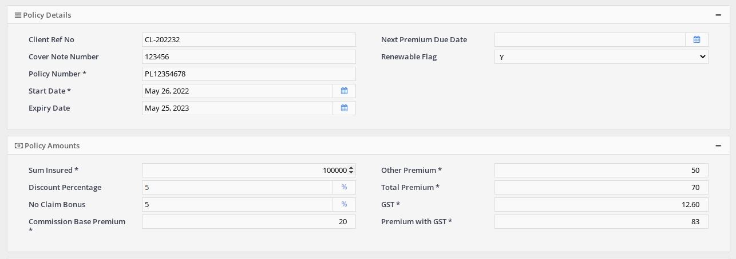
4 Policy Details | Field name | Field Type | Mandatory | Validation
Policy Details | Client Ref No | Text
Policy Details | Cover Note Number | Text
Policy Details | Policy Number | Text | Y
Policy Details | Start Date | Date | Y
Policy Details | Expiry Date | Date
Policy Details | Next Premium Due Date | Date
Policy Details | Renewable Flag | Drop Down

5 Policy Amounts | Field name | Field Type | Mandatory | Validation

Payment Details | Sum Insured | Text | Y
Payment Details | Discount Percentage | Text
Payment Details | No Claim Bonus | Text
Payment Details | Commission Base Premium | Text | Y
Payment Details | Other Premium | Text | Y
Payment Details | Total Premium | Text | Y
Payment Details | GST | Text | Y
Payment Details | Premium with GST | Text | Y

6 Nominee Details | Field name | Field Type | Mandatory | Validation

Nominee Details | Name | Text | Y
Nominee Details | Relation | Drop Down | Y
Nominee Details | Date of Birth | Date | Y
Nominee Details | Gender | Drop Down | Y
Nominee Details | Benefit % | Text | Y

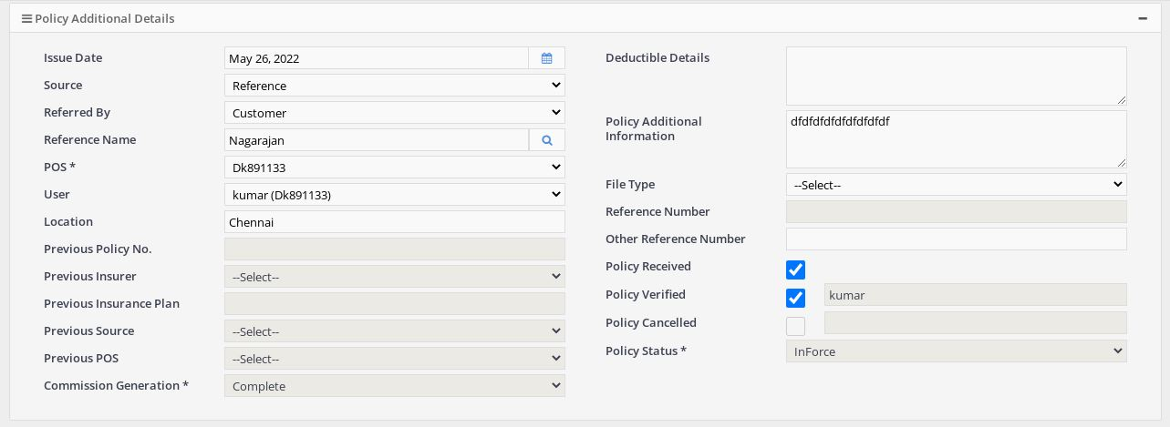
7 Policy Additional Details | Field name | Field Type | Mandatory | Validation

Policy Additional Details | Issue Date | Date
Policy Additional Details | Source | DropDown
Policy Additional Details | POS | DropDown | Y
Policy Additional Details | User | DropDown
Policy Additional Details | Location
Policy Additional Details | Previous Policy No
Policy Additional Details | Previous Insurer | DropDown
Policy Additional Details | Previous Insurance Plan
Policy Additional Details | Previous Source | DropDown
Policy Additional Details | Previous POS | DropDown
Policy Additional Details | Commission Generation | DropDown | Y
Policy Additional Details | Deductible Details
Policy Additional Details | Policy Additional Information
Policy Additional Details | File Type | DropDown
Policy Additional Details | Reference Number
Policy Additional Details | Other Reference Number
Policy Additional Details | Policy Received
Policy Additional Details | Policy Verified
Policy Additional Details | Policy Cancelled
Policy Additional Details | Policy Status | DropDown | Y

8 Payment Details | Field name | Field Type | Mandatory | Validation
Payment Details | Payment Type | DropDown
Payment Details | Payment Ref No/ Cheque No | Text
Payment Details | Bank Name | Text
Payment Details | Payment / Cheque Date | Date
Payment Details | Payment / Cheque Amount | Text
Payment Details | Remarks | Text
Payment Details | Payment Collected Date | Date

9 Upload Documents | Field name | Field Type | Mandatory | Validation

 | After Edit Send Option

 | Send by Message

 | Send by mail

 | View Quotation Details

 | Endorsement

1. Create New Endorsement | Field name | Field Type | Mandatory | Validation
Basic Information | Class
Basic Information | Policy Type
Basic Information | Policy No | Not Editable
Basic Information | Client Name
Basic Information | POS
Basic Information | User

2. Geneal Details | Field name | Field Type | Mandatory | Validation
Geneal Details | Endorsement Type | Drop Down | Y
Geneal Details | Received Date | Date | Y
Geneal Details | Endorsement Status | Drop Down | Y
Geneal Details | Endorsement Number | Text
Geneal Details | Endorsement Reason 1 | Text | Y
Geneal Details | Endorsement Reason 2 | Text
Geneal Details | Endorsement Reason 3 | Text
Geneal Details | Effective Date | Date

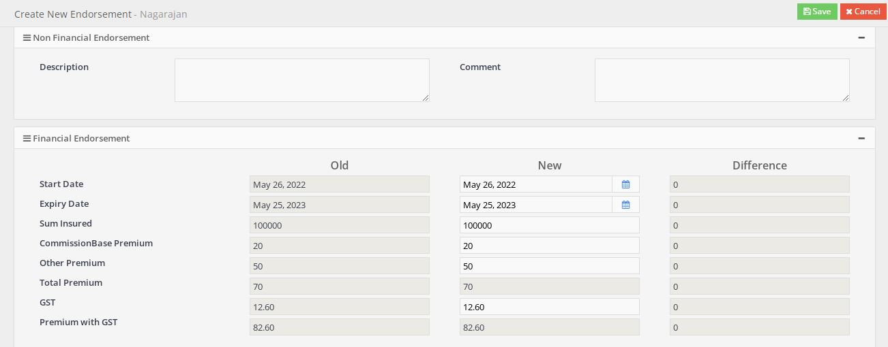
3 Non Financial Endorsement | Field name | Field Type | Mandatory | Validation

Non Financial Endorsement | Description | Text | N | Length
Non Financial Endorsement | Comment | Text | N | Length

4 Financial Endorsement | Field name | Field Type | Mandatory | Validation

Financial Endorsement | Start Date | Date | Y
Financial Endorsement | Expiry Date | Date | Y
Financial Endorsement | Sum Insured | Text | Y | Numeric
Financial Endorsement | Commission Base Premium | Text | Y | Numeric
Financial Endorsement | Other Premium | Text | Y | Numeric
Financial Endorsement | Total Premium | Text | Y | Numeric
Financial Endorsement | GST | Text | Y | Numeric
Financial Endorsement | Premium with GST | Text | Y | Numeric

5 Payment Details | Field name | Field Type | Mandatory | Validation

Payment Details | Payment Type | Drop Down |  | Select
Payment Details | Payment Ref No/ Cheque No | Text
Payment Details | Bank Name | Text
Payment Details | Payment / Cheque Date | Date |  | Not Future Date
Payment Details | Payment / Cheque Amount | Text
Payment Details | Remarks | Text |  | Length

6 Document Upload | Field name | Field Type | Mandatory | Validation

Upload Documents | Files to Upload

 | After File Upload options for view that file

 | File Type
 | File Name
 | Document Type | DropDown | Y
 | View
 | Delete

6.1 Document Upload Option

After Upload

File Type | File Name | Document Type | View | Delete

 | Search Policy in Edit Mode

1 Basic Information | Field name | Field Type | Mandatory | Validation
Basic Information | Class
Basic Information | Policy Type
Basic Information | Policy No | Not Editable
Basic Information | Client Name
Basic Information | POS
Basic Information | User

2 Claim Details | Field name | Field Type | Mandatory | Validation
Claim Details | Claim Reference No | Text | Y
Claim Details | Claim Receipt Date | Date | Y
Claim Details | Asset Identification No | Text
Claim Details | Estimated Loss | Text
Claim Details | Loss Location | Text | Y
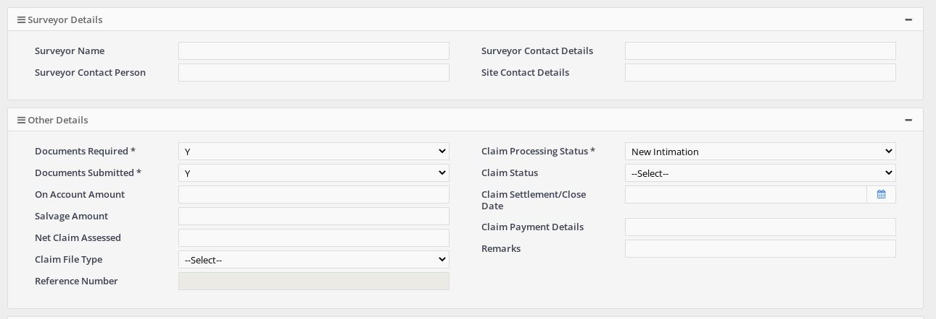
Claim Details | Date of Loss | Date | Y
Claim Details | Brief Description of Loss | Text | Y

3 Surveyor Details | Field name | Field Type | Mandatory | Validation
Surveyor Details | Surveyor Name | Text
Surveyor Details | Surveyor Contact Person | Text
Surveyor Details | Surveyor Contact Details | Text
Surveyor Details | Site Contact Details | Text

4 Other Details | Field name | Field Type | Mandatory | Validation
Other Details | Documents Required | Drop Down | Y
Other Details | Documents Submitted | Drop Down | Y
Other Details | On Account Amount
Other Details | Salvage Amount
Other Details | Net Claim Assessed
Other Details | Claim File Type | Drop Down
Other Details | Reference Number
Other Details | Claim Processing Status | Drop Down | Y
Other Details | Claim Status | Drop Down
Other Details | Claim Settlement / Close Date | Date
Other Details | Claim Payment Details
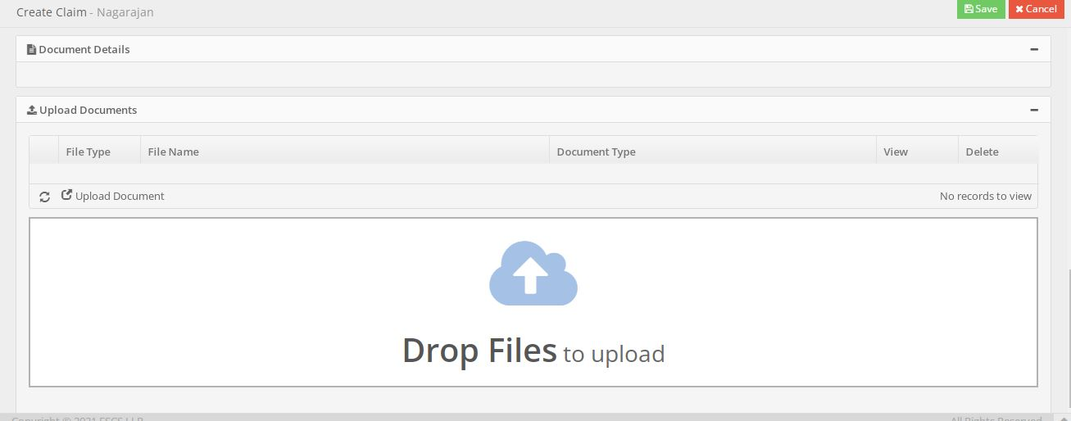
Other Details | Remarks

5 Upload Documents | Field name | Field Type | Mandatory | Validation

 | After File Upload

 | File Type
 | File Name
 | Document Type
 | View
 | Delete

 | Search Policy View Commission
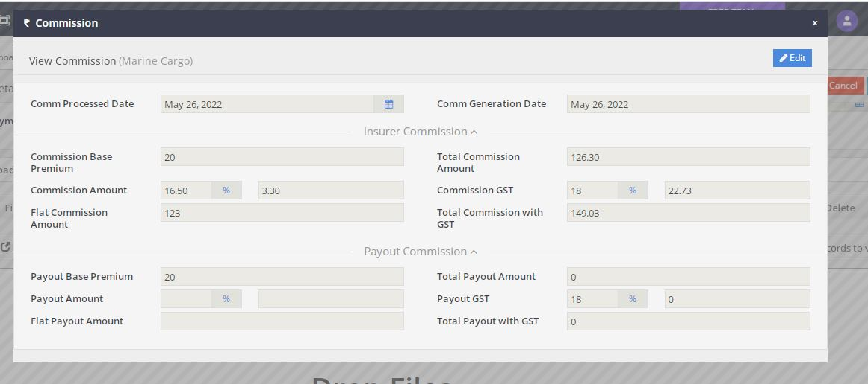

Commission | Field name | Field Type | Mandatory | Validation
View Commission | Comm Processed Date
View Commission | Comm Generation Date
Insurer Commission | Commission Base Premium
Insurer Commission | Commission Amount
Insurer Commission | Flat Commission Amount
Insurer Commission | Total Commission Amount
Insurer Commission | Commission GST
Insurer Commission | Total Commission GST
Payout Commission | Payout Base Premium | Not Editable
Payout Commission | Payout Amount
Payout Commission | Flat Payout Amount
Payout Commission | Total Payout Amount
Payout Commission | Payout GST
Payout Commission | Total Payout with GST

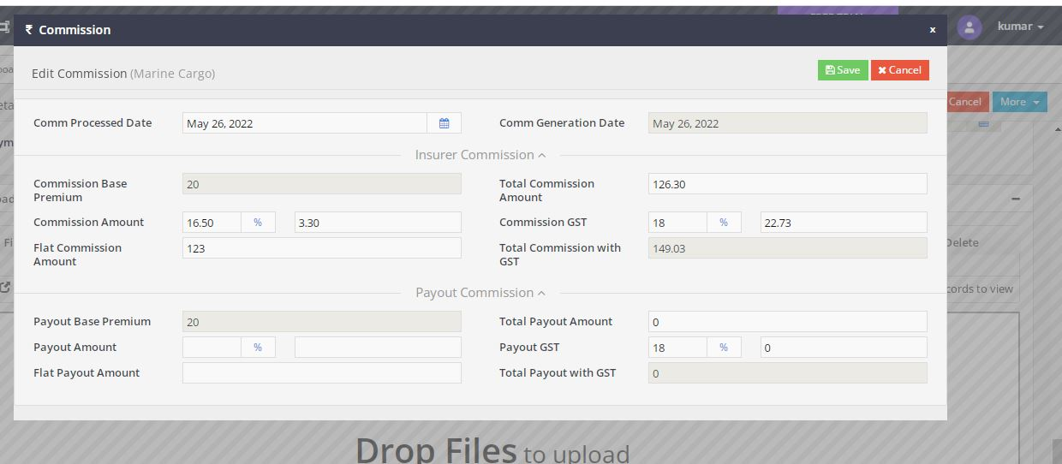

 | Search Policy Commission in Edit Mode

Edit Commission | Field name | Field Type | Mandatory | Validation
View Commission | Comm Processed Date | Date
View Commission | Comm Generation Date | Date
Insurer Commission | Commission Base Premium | Text
Insurer Commission | Commission Amount | Text
Insurer Commission | Flat Commission Amount | Text
Insurer Commission | Total Commission Amount | Text
Insurer Commission | Commission GST | Text
Insurer Commission | Total Commission GST | Text
Payout Commission | Payout Base Premium | Text
Payout Commission | Payout Amount | Text
Payout Commission | Flat Payout Amount | Text
Payout Commission | Total Payout Amount | Text
Payout Commission | Payout GST | Text
Payout Commission | Total Payout with GST | Text

Bulk Edit
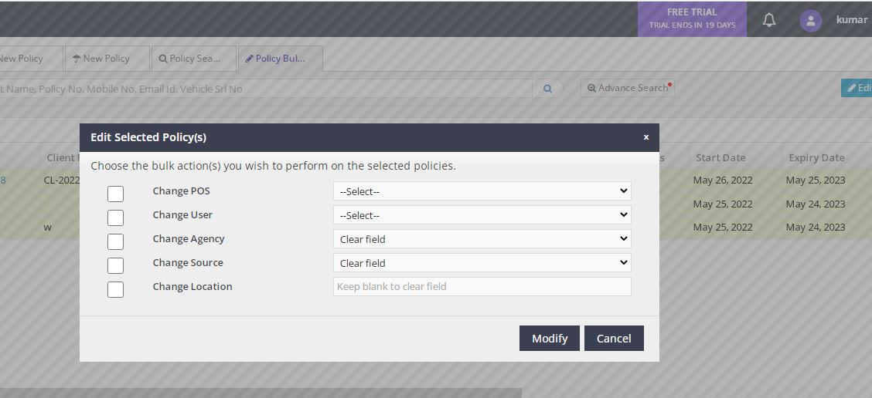

 | Bulk Edit

Change POS | DropDown
Change User | DropDown
Change Agency | DropDown
Change Source | DropDown
Change Locaiton | Text

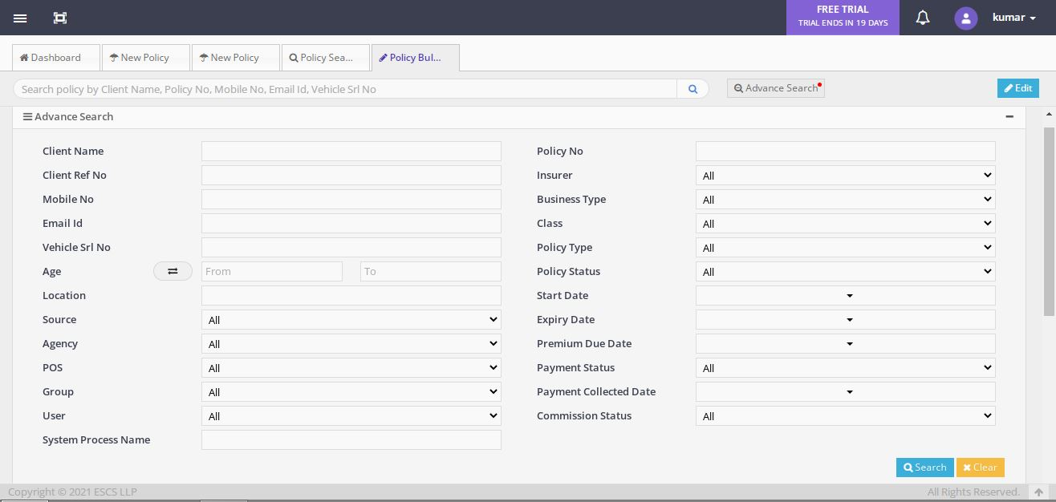

In Advance Search

Client Name | Text
Client Ref No | Text
Mobile No | Text
Email Id | Text
Vehicle Srl No | Text
Age From | Date
Age To | Date
Location | Text
Source | Drop Down
Agency | Drop Down
POS | Drop Down
Group | Drop Down
User | Drop Down
System Process Name | Text
Policy No | Text
Insurer | Drop Down
Business Type | Drop Down
Class | Drop Down
Policy Type | Drop Down
policy Status | Drop Down
Start Date | Date
Expiry Date | Date
Premium Due Date | Date
Payment Status | Date
Payment Collected Date | Date
Commission Status | Drop Down

Upload Policy Records
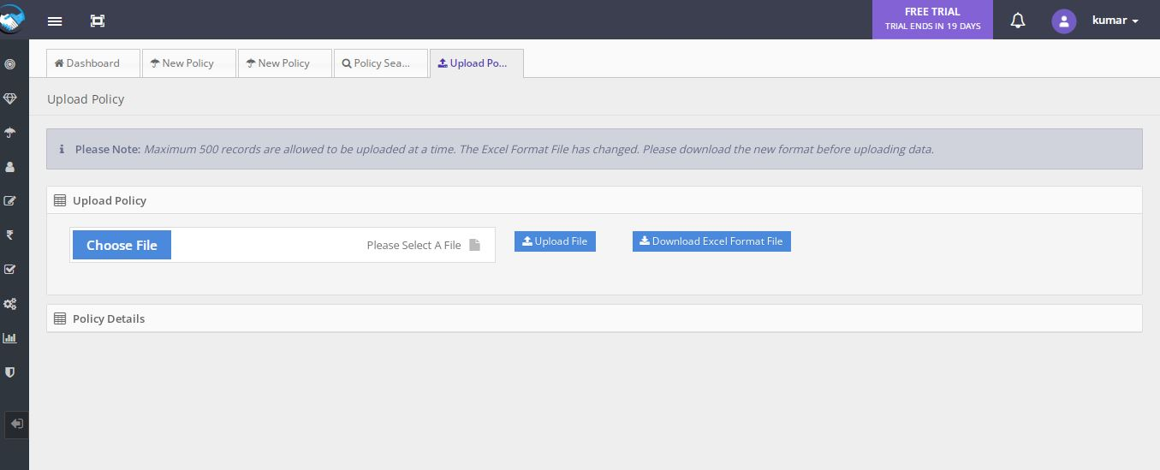

Upload Policy Documents
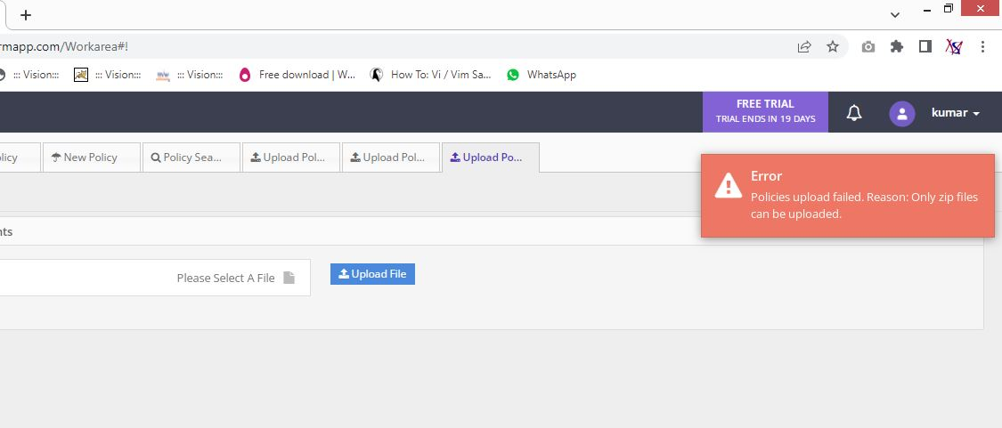

Only Zip Files can upload

